PI-TRICYCLE
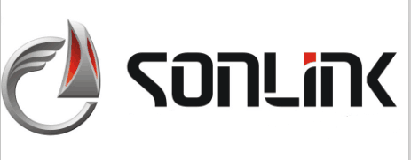 XUZHOU SONLINK E-MOTORCYCLE CO., LTD Add: NO.576 Fengyi Road, Economic Development District, Fengxian,Jiangsu, China Tel: +86-13926156666 E-mail: gwlong926@163.com

PROFORMA INVOICE
 |  |  |  | Invoice No.: XSL2026-UGA-1
 |  |  |  | Date of Invoice: 15/01/2026
To:
DESCRIPTION OF GOODS (CBU CONDITIONS) |  |  | Quantity (sets) | Unit price (FOB Qingdao) | Total Amount (FOB Qingdao)
YL1200DZH-8T 嘟嘟车 | 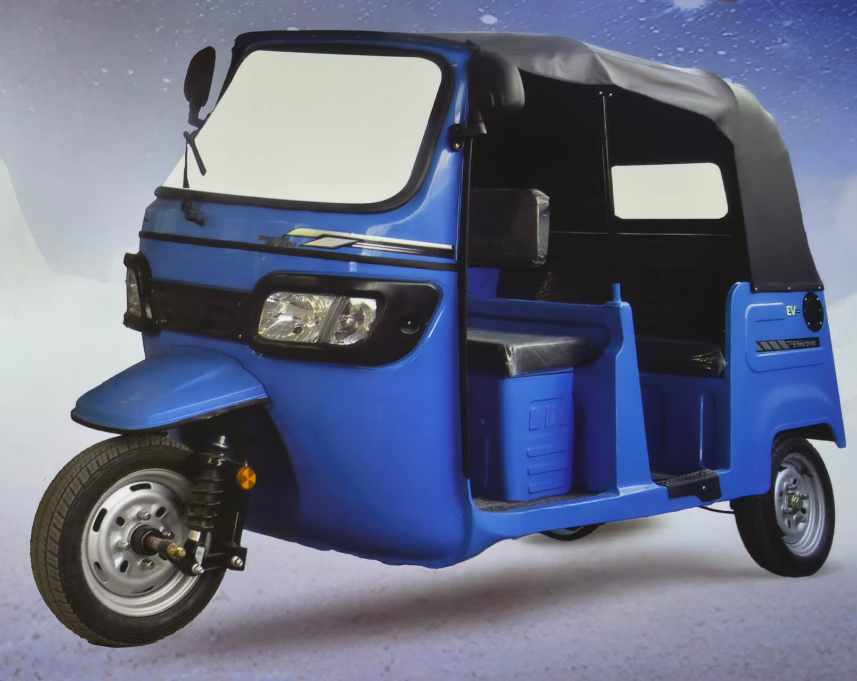 | Overall Dimensions: 2750×1320×1780 mm 72V/4000W Permanent Magnet Motor 36-Tube Permanent Magnet Controller (Models: M150A/X550A) 72V/120Ah Lithium Iron Phosphate Battery (Weight: 68 Kg) Maximum Torque: ＞76 N.m Maximum Speed: 52 km/h 4.00-8 Steel Wheel Tires Rear-Wheel Drive (with Gearbox) – Service Life: ＞150,000 Km Maximum Input Torque: 130 N.m Maximum Input Speed: 6000 r/min LED Instrument Panel with CAN Communication LED Headlights Luxury Seat Removable Canvas Canopy Vehicle Weight: 450 kg | 54 | US$2,150.00 | US$116,100.00
YL1200-8 1.8米四开 | 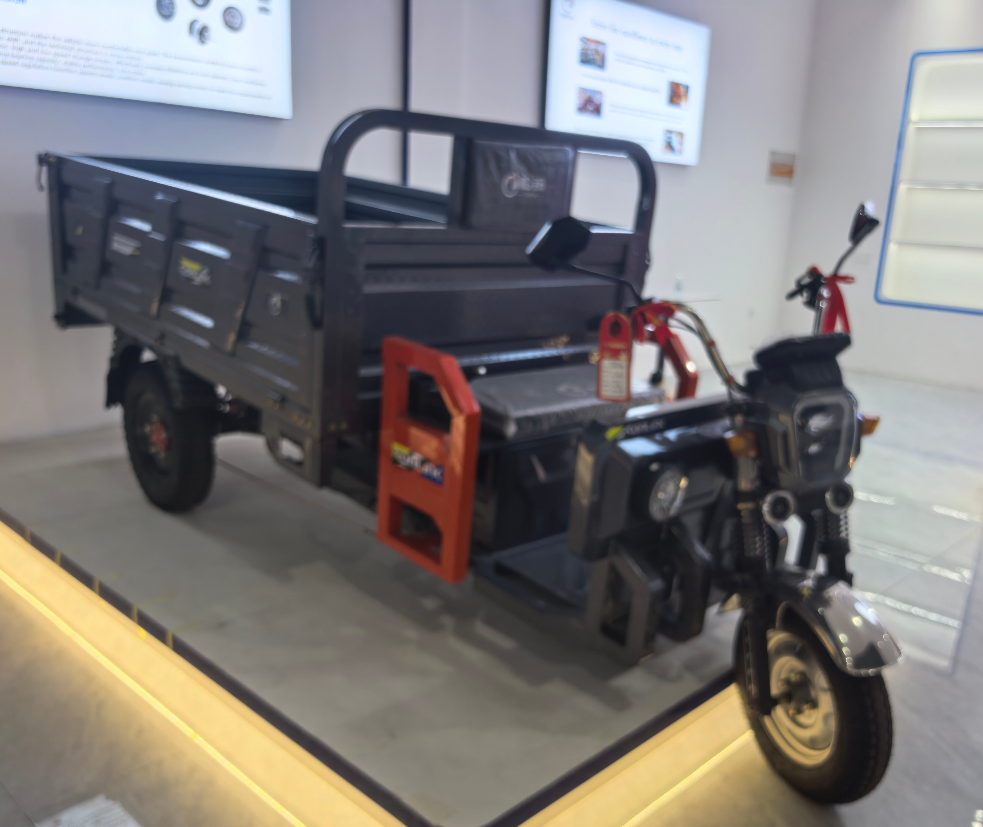 | 2000W Permanent Magnet Motor 30-Tube Controller 180 Full-Suspension Integrated Gear-Shifting Rear Axle Front & Rear 500-12 Steel-Belted Tires φ43 External Spring Hydraulic Shock Absorbers Double Beams with Double Steel Plates One-Foot Three-Brake System Maximum Speed: 55 km/h Driving Range: 80 km 72V60Ah Lithium Battery with Charger | 50 | US$1,000.00 | US$50,000.00
YL1200-6 1.8米中亚款 | 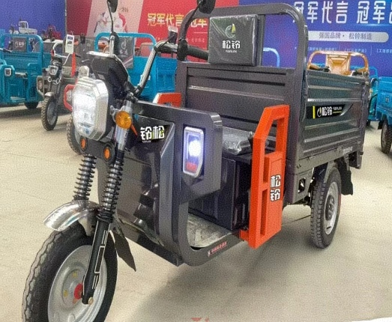 | 2000W Permanent Magnet Motor 24-Tube Large Dual-Row Controller 180 Large 6-Tooth Integrated Full-Suspension Gear-Shifting Rear Axle Front Tires: 450-12 Steel-Belted Tires; Rear Tires: 500-12 Steel-Belted Tires φ43 External Spring Hydraulic Shock Absorbers Double Beams with Double Steel Plates One-Foot Three-Brake System Maximum Speed: 55 km/h Driving Range: 80 km 72V60Ah Lithium Battery with Charger | 50 | US$850.00 | US$42,500.00
YL1000-6 1.6米高栏四开 | 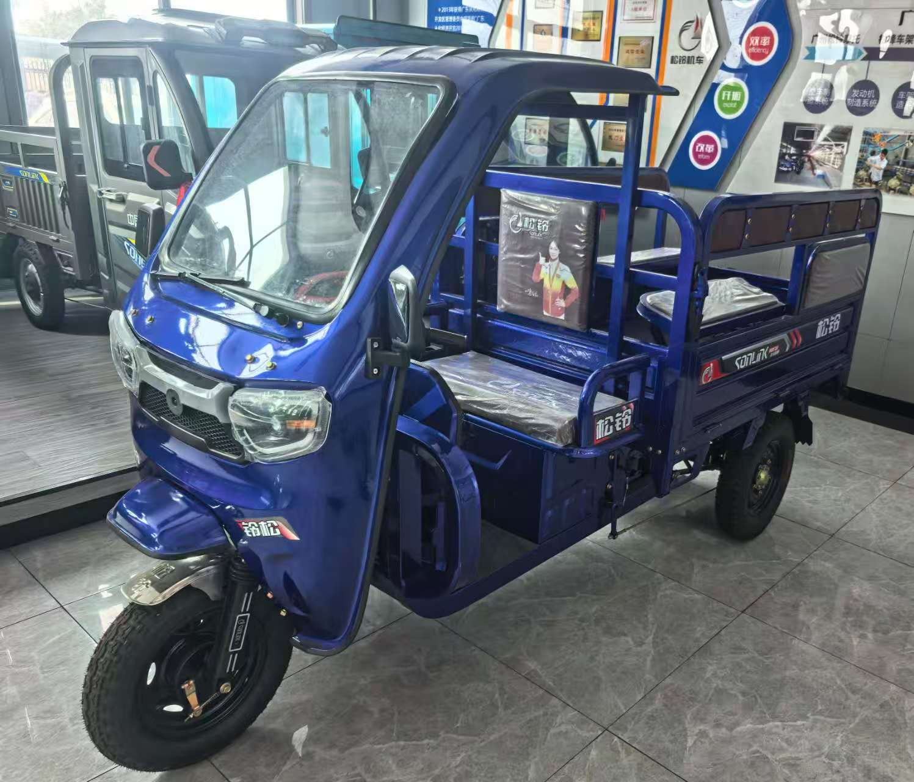 | 1800W Permanent Magnet Motor 24-Tube Controller 180 Integrated Full-Suspension Gear-Shifting Rear Axle Front Tires: 400-12 Steel-Belted Tires; Rear Tires: 450-12 Steel-Belted Tires φ43 External Spring Hydraulic Shock Absorbers One-Foot Three-Brake System Maximum Speed: 55 km/h Driving Range: 80 km 72V60Ah Lithium Battery with Charger | 50 | US$850.00 | US$42,500.00
TOTAL AMOUNT FOB XUZHOU: |  |  | 204 | - | US$251,100.00
TOTAL PAYMENT SAY US DOLLAR TWO HUNDRED FIFTY ONE THOUSAND ONE HUNDRED ONLY.
1. 本合同签订七个工作日内支付定金30%，收到定金60日内交货，发货前付清剩余70%余款。 Terms of payment: The 30% deposit shall be paid within 7 working days after contract signed, with delivery to be completed within 60 days upon receipt of the deposit. The remaining 70% balance must be paid in full prior to shipment.
2. Delivery date: 60 days upon receipt of payment.
3. Port of destination:
4. Motorcycle Brand Name :
5. Transshipment: not-allowed; Partial shipment: not-allowed. The container can't be loaded with any goods those are not provided by the supplier.
6. Handling method on the expiry order: The contract will automatically become void if the buyer does not provide any information of deposit within two weeks after the sign. If the buyer does not send any information on the shipment advice within one week or rest payment within a month after the date of shipment stipulated on the contract that should be regarded as the expiry order, the seller should have the right to deal with the products in its way and confiscate the deposit. And the buyer should bear all the additional costs and losses when they occur.
7. Handling method on discrepancy of quality & quantity after buyer received the goods: in case of quality discrepancy,claim should be reported by the buyers within 30 days after the goods arrival destination port. while for quantity discrepancy, claim should be reported within 15 days after the goods arrival destination port. in all cases, claim must be accompanied by survey reports and evidence. the seller will reply to the buyer within 20 days of receipt of discrepancy report and provide the handling suggestions.
8. Bank Information: Beneficiary: Bank name: Bank add.: Bank account no.: Swift code.:
9. Other Notices: The supplier provide the Certificate of Origin (C/O) to the buyer ONLY. Other documents or certifications related Embassy certification, Inspection by 3rd party, or Certificate for Pre-shipment Inspection, etc, all those corresponding charges and ORC will be borne by the buyer.

The seller: |  |  |  | The buyer:
(signed&stamped) |  |  |  | (signed&stamped)

 |  |  |  | 徐州松铃机车有限公司
 |  |  |  | XUZHOU SONLINK E-MOTORCYCLE CO., LTD

PI E-Bike
XUZHOU SONLINK E-MOTORCYCLE CO., LTD Add: NO.576 Fengyi Road, Economic Development District, Fengxian,Jiangsu, China Tel: +86-13926282881 +86-13926156666 E-mail: gwlong926@163.com

PROFORMA INVOICE
 |  |  |  | Invoice No.: XSL2026-UGA-1
 |  |  |  | Date of Invoice: 15/01/2026
To:
DESCRIPTION OF GOODS (CBU CONDITIONS) |  |  | Quantity (sets) | Unit price (FOB Qingdao) | Total Amount (FOB Qingdao)
XSL-T700 坦克700 | 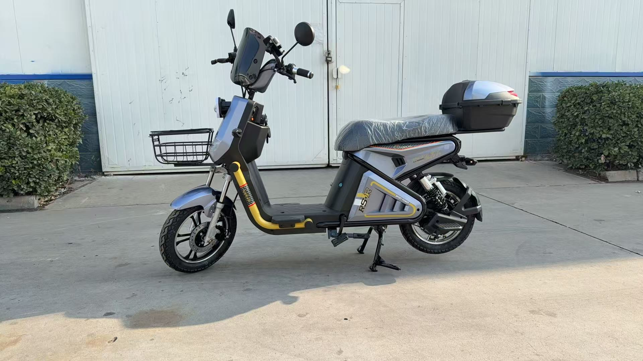 | 500W Electric Motor of 16" Iron Wheel ,60V30A Lithium Iron Batteries & 60V3A Charger of European Standard, Brushless BMS,16*148*340 Hydraulic Silver Front fork, Iron wheel rim, 16-3 Tubeless Tires, Front Disc & Rear Drum Brake, Comfortable seat, Digital Meter with WindscreenCover, Front storage basket, Rear luxury storage box, 60km Range, 25-50KM/H Top speed, 6-8 hours Charging timer; SKD in package; Other specs are same as the sample of both parties confirmation. Package size:1570**360*730 mm. | 200 | US$350.00 | US$70,000.00
XSL-DF17 东风17 | 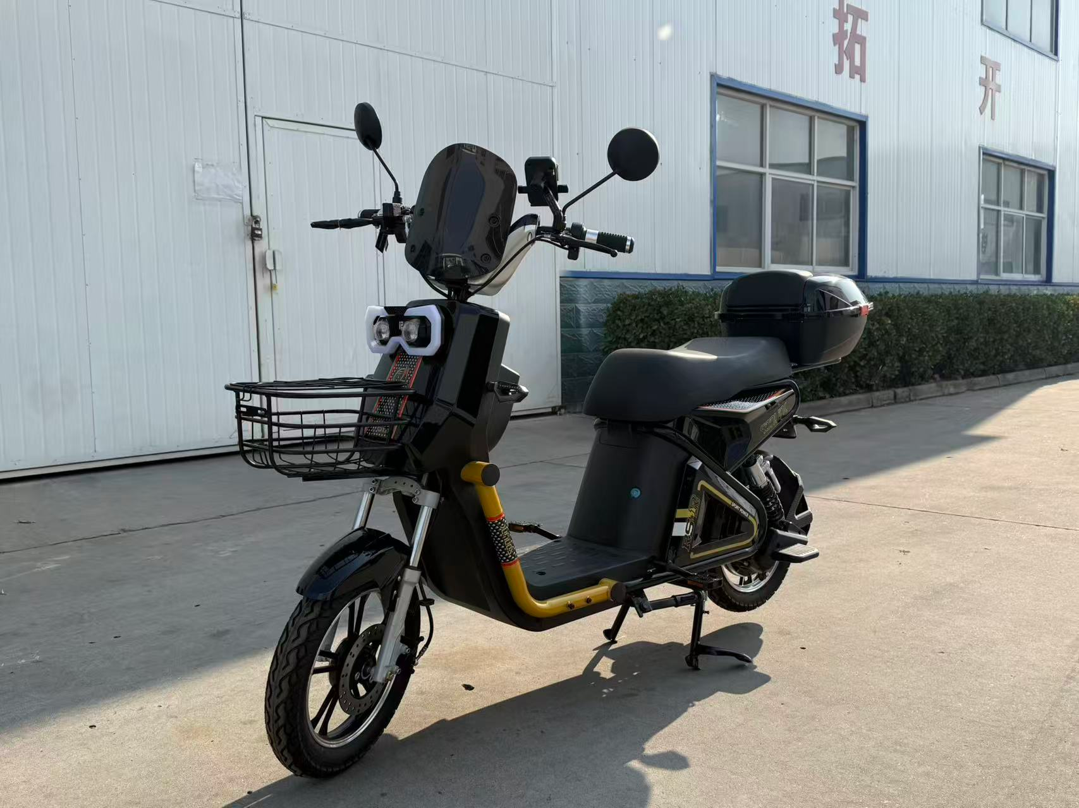 | 500W Electric Motor of 14" Iron Wheel,60V30A Lithium Iron Batteries & 60V3A Charger of European Standard, Brushless BMS,16*148*275 148 Silver Front fork, Iron wheel rim, 275-10 Tubeless Tires, Front disc brake of oil pump with 180 convex-concave disc, Rear Drum Brake, Comfortable seat, Digital Meter with WindscreenCover, Front storage basket, Rear luxury storage box, 60km Range, 25-50KM/H Top speed, 6-8 hours Charging timer; SKD in package; Other specs are same as the sample of both parties confirmation. Package size:1570**360*730 mm. | 200 | US$330.00 | US$66,000.00
XSL-JY86 金鹰86 | 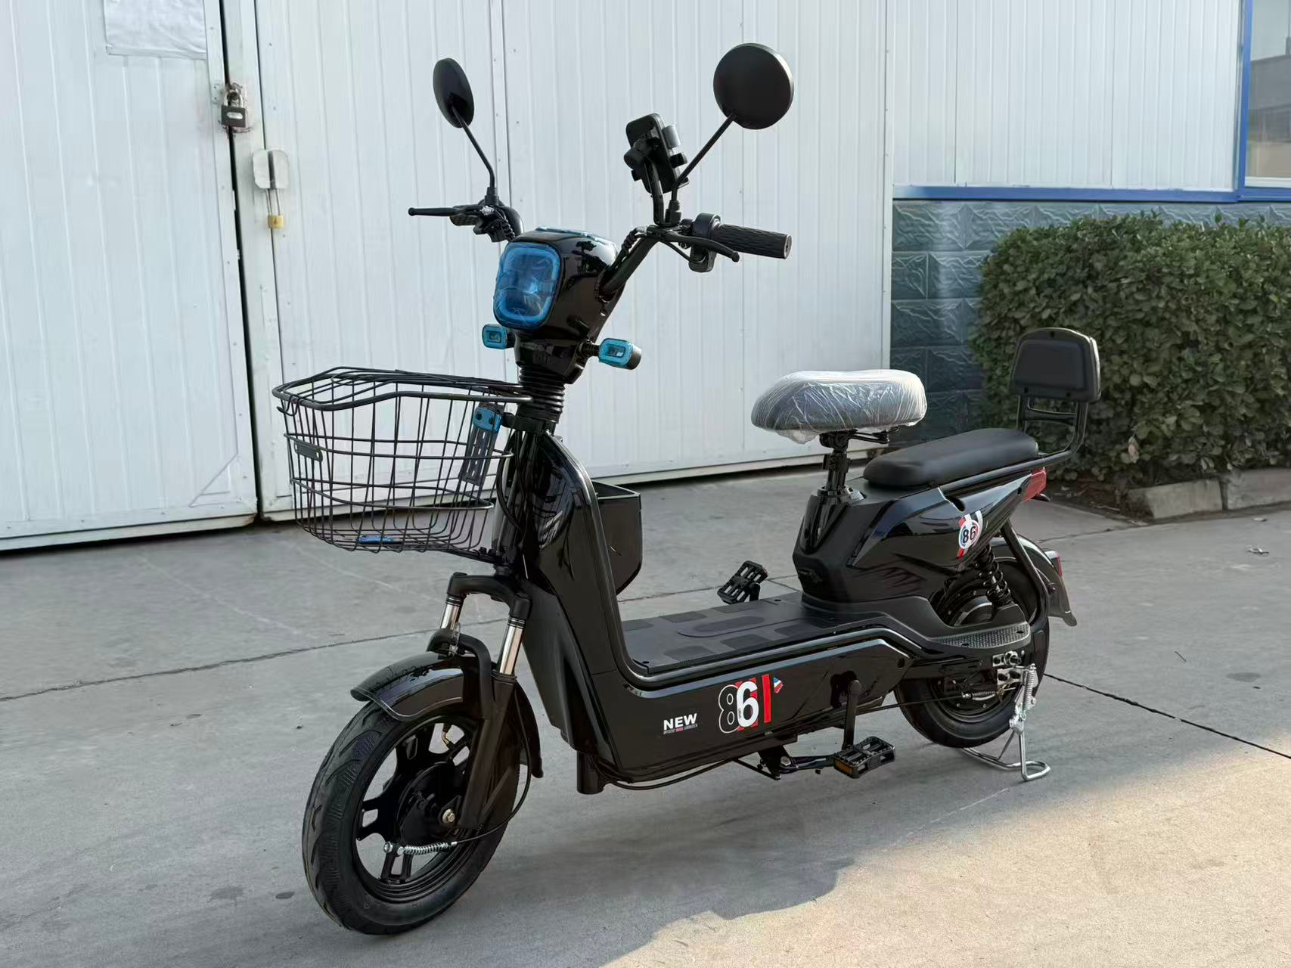 | 350W Electric Motor of 14" Iron Wheel,48V21A Lithium Iron Batteries & 48V2A Charger of European Standard, Brushless BMS,14*130*275 Silver Front fork, Iron wheel rim, 14-250 Tubeless Tires, Front disc brake of oil pump with 180 convex-concave disc, Rear Drum Brake, Comfortable seat, Digital Meter with WindscreenCover, Front storage basket,50km Range, 25-30KM/H Top speed, 6-8 hours Charging timer; SKD in package; Other specs are same as the sample of both parties confirmation. Package size:1360*300*670 mm. | 200 | US$210.00 | US$42,000.00
TOTAL AMOUNT FOB XUZHOU: |  |  | 600 | - | US$178,000.00
TOTAL PAYMENT SAY US DOLLAR ONE HUNDRED SEVENTY EIGHT THOUAND ONLY.
1. 本合同签订七个工作日内支付定金30%，收到定金60天交货，发货前付清剩余70%余款。 Terms of payment: The 30% deposit shall be paid within 7 working days after contract signed, with delivery to be completed within 60 days upon receipt of the deposit. The remaining 70% balance must be paid in full prior to shipment.
2. Delivery date: 60 days upon receipt of payment.
3. Port of destination:
4. E-bike Brand Name :
5. Transshipment: not-allowed; Partial shipment: not-allowed. The container can't be loaded with any goods those are not provided by the supplier.
6. Handling method on the expiry order: The contract will automatically become void if the buyer does not provide any information of deposit within two weeks after the sign. If the buyer does not send any information on the shipment advice within one week or rest payment within a month after the date of shipment stipulated on the contract that should be regarded as the expiry order, the seller should have the right to deal with the products in its way and confiscate the deposit. And the buyer should bear all the additional costs and losses when they occur.
7. Handling method on discrepancy of quality & quantity after buyer received the goods: in case of quality discrepancy,claim should be reported by the buyers within 30 days after the goods arrival destination port. while for quantity discrepancy, claim should be reported within 15 days after the goods arrival destination port. in all cases, claim must be accompanied by survey reports and evidence. the seller will reply to the buyer within 20 days of receipt of discrepancy report and provide the handling suggestions.
8. Bank Information: Beneficiary: Bank name: Bank add.: Bank account no.: Swift code.:
9. Other Notices: The supplier provide the Certificate of Origin (C/O) to the buyer ONLY. Other documents or certifications related Embassy certification, Inspection by 3rd party, or Certificate for Pre-shipment Inspection, etc, all those corresponding charges and ORC will be borne by the buyer.

The seller: |  |  |  | The buyer:
(signed&stamped) |  |  |  | (signed&stamped)

 |  |  |  | 徐州松铃机车有限公司
 |  |  |  | XUZHOU SONLINK E-MOTORCYCLE CO., LTD

